Informatica
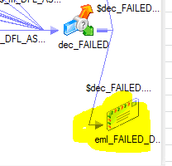
<1>load stg_mtr_rdg:
performance tuning:
wf_MDM_TO_STG_MTR_RDG

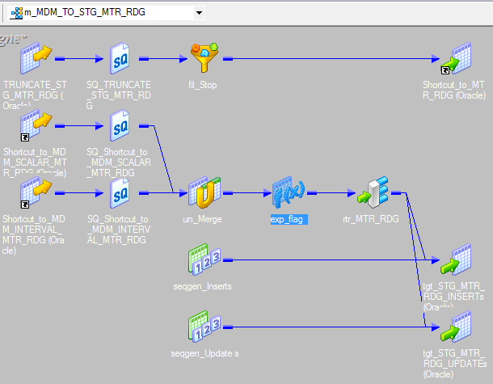

<1>load ihub.mtr_rdg:
wf_DH_MTR_RDG

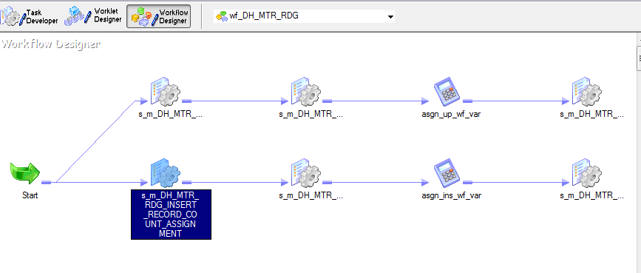

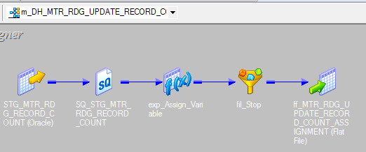
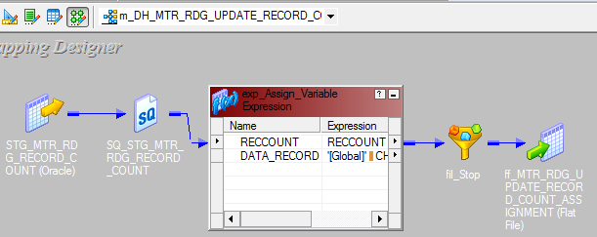

mapping level variables:
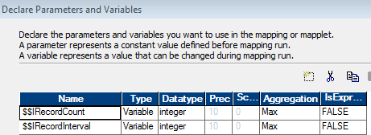

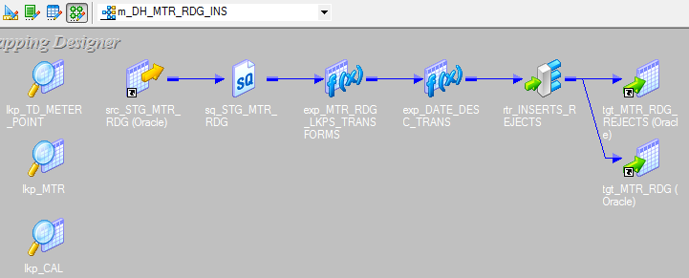

mapping level variables
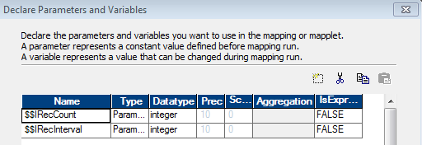

session level overwrite SQLs for insert
partition #1
SELECT STG_MTR_RDG.MEASR_COMP_ID,
STG_MTR_RDG.MSRMT_DTTM,
STG_MTR_RDG.MSRMT_VAL,
STG_MTR_RDG.MSRMT_COND_FLG,
STG_MTR_RDG.MSRMT_LOCAL_DTTM,
STG_MTR_RDG.CRE_DTTM,
STG_MTR_RDG.STATUS_UPD_DTTM,
STG_MTR_RDG.ORIG_INIT_MSRMT_ID,
STG_MTR_RDG.DEVICE_TYPE_CD,
STG_MTR_RDG.SERVICE_PT_EXID,
STG_MTR_RDG.DEVICE_EXID,
STG_MTR_RDG.UPDATE_FLAG,
STG_MTR_RDG.EXT_ID,
STG_MTR_RDG.MDM_USER_ID,
STG_MTR_RDG.REG_DIAL_VALUE,
STG_MTR_RDG.RECORD_NUM
FROM STG_MTR_RDG
WHERE STG_MTR_RDG.UPDATE_FLAG='I' AND STG_MTR_RDG.RECORD_NUM BETWEEN 1 AND $$IRecInterval

partition #2
SELECT STG_MTR_RDG.MEASR_COMP_ID,
STG_MTR_RDG.MSRMT_DTTM,
STG_MTR_RDG.MSRMT_VAL,
STG_MTR_RDG.MSRMT_COND_FLG,
STG_MTR_RDG.MSRMT_LOCAL_DTTM,
STG_MTR_RDG.CRE_DTTM,
STG_MTR_RDG.STATUS_UPD_DTTM,
STG_MTR_RDG.ORIG_INIT_MSRMT_ID,
STG_MTR_RDG.DEVICE_TYPE_CD,
STG_MTR_RDG.SERVICE_PT_EXID,
STG_MTR_RDG.DEVICE_EXID,
STG_MTR_RDG.UPDATE_FLAG,
STG_MTR_RDG.EXT_ID,
STG_MTR_RDG.MDM_USER_ID,
STG_MTR_RDG.REG_DIAL_VALUE,
STG_MTR_RDG.RECORD_NUM
FROM STG_MTR_RDG
WHERE STG_MTR_RDG.UPDATE_FLAG='I' AND STG_MTR_RDG.RECORD_NUM BETWEEN $$IRecInterval+1 AND $$IRecInterval*2

partition #3
SELECT STG_MTR_RDG.MEASR_COMP_ID,
STG_MTR_RDG.MSRMT_DTTM,
STG_MTR_RDG.MSRMT_VAL,
STG_MTR_RDG.MSRMT_COND_FLG,
STG_MTR_RDG.MSRMT_LOCAL_DTTM,
STG_MTR_RDG.CRE_DTTM,
STG_MTR_RDG.STATUS_UPD_DTTM,
STG_MTR_RDG.ORIG_INIT_MSRMT_ID,
STG_MTR_RDG.DEVICE_TYPE_CD,
STG_MTR_RDG.SERVICE_PT_EXID,
STG_MTR_RDG.DEVICE_EXID,
STG_MTR_RDG.UPDATE_FLAG,
STG_MTR_RDG.EXT_ID,
STG_MTR_RDG.MDM_USER_ID,
STG_MTR_RDG.REG_DIAL_VALUE,
STG_MTR_RDG.RECORD_NUM
FROM STG_MTR_RDG
WHERE STG_MTR_RDG.UPDATE_FLAG='I' AND STG_MTR_RDG.RECORD_NUM BETWEEN $$IRecInterval*2+1 AND $$IRecInterval*3

partition #20(last partition)
SELECT STG_MTR_RDG.MEASR_COMP_ID,
STG_MTR_RDG.MSRMT_DTTM,
STG_MTR_RDG.MSRMT_VAL,
STG_MTR_RDG.MSRMT_COND_FLG,
STG_MTR_RDG.MSRMT_LOCAL_DTTM,
STG_MTR_RDG.CRE_DTTM,
STG_MTR_RDG.STATUS_UPD_DTTM,
STG_MTR_RDG.ORIG_INIT_MSRMT_ID,
STG_MTR_RDG.DEVICE_TYPE_CD,
STG_MTR_RDG.SERVICE_PT_EXID,
STG_MTR_RDG.DEVICE_EXID,
STG_MTR_RDG.UPDATE_FLAG,
STG_MTR_RDG.EXT_ID,
STG_MTR_RDG.MDM_USER_ID,
STG_MTR_RDG.REG_DIAL_VALUE,
STG_MTR_RDG.RECORD_NUM
FROM STG_MTR_RDG
WHERE STG_MTR_RDG.UPDATE_FLAG='I' AND STG_MTR_RDG.RECORD_NUM BETWEEN $$IRecInterval*19+1 AND $$IRecCount

session level overwrite SQLs for update
partition #1:
SELECT STG_MTR_RDG.MEASR_COMP_ID,
STG_MTR_RDG.MSRMT_DTTM,
STG_MTR_RDG.MSRMT_VAL,
STG_MTR_RDG.MSRMT_COND_FLG,
STG_MTR_RDG.MSRMT_LOCAL_DTTM,
STG_MTR_RDG.CRE_DTTM,
STG_MTR_RDG.STATUS_UPD_DTTM,
STG_MTR_RDG.ORIG_INIT_MSRMT_ID,
STG_MTR_RDG.DEVICE_TYPE_CD,
STG_MTR_RDG.SERVICE_PT_EXID,
STG_MTR_RDG.DEVICE_EXID,
STG_MTR_RDG.UPDATE_FLAG,
STG_MTR_RDG.EXT_ID,
STG_MTR_RDG.MDM_USER_ID,
STG_MTR_RDG.REG_DIAL_VALUE,
STG_MTR_RDG.RECORD_NUM
FROM STG_MTR_RDG
WHERE STG_MTR_RDG.UPDATE_FLAG='U' AND STG_MTR_RDG.RECORD_NUM BETWEEN 1 AND $$URecInterval

partition #2
SELECT STG_MTR_RDG.MEASR_COMP_ID,
STG_MTR_RDG.MSRMT_DTTM,
STG_MTR_RDG.MSRMT_VAL,
STG_MTR_RDG.MSRMT_COND_FLG,
STG_MTR_RDG.MSRMT_LOCAL_DTTM,
STG_MTR_RDG.CRE_DTTM,
STG_MTR_RDG.STATUS_UPD_DTTM,
STG_MTR_RDG.ORIG_INIT_MSRMT_ID,
STG_MTR_RDG.DEVICE_TYPE_CD,
STG_MTR_RDG.SERVICE_PT_EXID,
STG_MTR_RDG.DEVICE_EXID,
STG_MTR_RDG.UPDATE_FLAG,
STG_MTR_RDG.EXT_ID,
STG_MTR_RDG.MDM_USER_ID,
STG_MTR_RDG.REG_DIAL_VALUE,
STG_MTR_RDG.RECORD_NUM
FROM STG_MTR_RDG
WHERE STG_MTR_RDG.UPDATE_FLAG='U' AND STG_MTR_RDG.RECORD_NUM BETWEEN $$URecInterval+1 AND $$URecInterval*2

partition #3
SELECT STG_MTR_RDG.MEASR_COMP_ID,
STG_MTR_RDG.MSRMT_DTTM,
STG_MTR_RDG.MSRMT_VAL,
STG_MTR_RDG.MSRMT_COND_FLG,
STG_MTR_RDG.MSRMT_LOCAL_DTTM,
STG_MTR_RDG.CRE_DTTM,
STG_MTR_RDG.STATUS_UPD_DTTM,
STG_MTR_RDG.ORIG_INIT_MSRMT_ID,
STG_MTR_RDG.DEVICE_TYPE_CD,
STG_MTR_RDG.SERVICE_PT_EXID,
STG_MTR_RDG.DEVICE_EXID,
STG_MTR_RDG.UPDATE_FLAG,
STG_MTR_RDG.EXT_ID,
STG_MTR_RDG.MDM_USER_ID,
STG_MTR_RDG.REG_DIAL_VALUE,
STG_MTR_RDG.RECORD_NUM
FROM STG_MTR_RDG
WHERE STG_MTR_RDG.UPDATE_FLAG='U' AND STG_MTR_RDG.RECORD_NUM BETWEEN $$URecInterval*2+1 AND $$URecInterval*3

partition #20(last partion)
SELECT STG_MTR_RDG.MEASR_COMP_ID,
STG_MTR_RDG.MSRMT_DTTM,
STG_MTR_RDG.MSRMT_VAL,
STG_MTR_RDG.MSRMT_COND_FLG,
STG_MTR_RDG.MSRMT_LOCAL_DTTM,
STG_MTR_RDG.CRE_DTTM,
STG_MTR_RDG.STATUS_UPD_DTTM,
STG_MTR_RDG.ORIG_INIT_MSRMT_ID,
STG_MTR_RDG.DEVICE_TYPE_CD,
STG_MTR_RDG.SERVICE_PT_EXID,
STG_MTR_RDG.DEVICE_EXID,
STG_MTR_RDG.UPDATE_FLAG,
STG_MTR_RDG.EXT_ID,
STG_MTR_RDG.MDM_USER_ID,
STG_MTR_RDG.REG_DIAL_VALUE,
STG_MTR_RDG.RECORD_NUM
FROM STG_MTR_RDG
WHERE STG_MTR_RDG.UPDATE_FLAG='U' AND STG_MTR_RDG.RECORD_NUM BETWEEN $$URecInterval*19+1 AND $$URecCount

session level overwrite SQL:
partition #1:
SELECT
STG_MTR_RDG.MEASR_COMP_ID,
STG_MTR_RDG.MSRMT_DTTM,
STG_MTR_RDG.MSRMT_VAL,
STG_MTR_RDG.MSRMT_COND_FLG,
STG_MTR_RDG.ORIG_INIT_MSRMT_ID,
STG_MTR_RDG.SERVICE_PT_EXID,
STG_MTR_RDG.DEVICE_EXID,
STG_MTR_RDG.CHANNEL_NUM,
STG_MTR_RDG.SEC_PER_INTRVL
FROM
STG_MTR_RDG
WHERE ORA_HASH(SUBSTR(SERVICE_PT_EXID,1,INSTR( SERVICE_PT_EXID, '_')-1), 19) = 0
ORDER BY MEASR_COMP_ID,TO_DATE(MSRMT_DTTM,'DD-MON-YY HH24:MI:SS') --

partition #2
SELECT
STG_MTR_RDG.MEASR_COMP_ID,
STG_MTR_RDG.MSRMT_DTTM,
STG_MTR_RDG.MSRMT_VAL,
STG_MTR_RDG.MSRMT_COND_FLG,
STG_MTR_RDG.ORIG_INIT_MSRMT_ID,
STG_MTR_RDG.SERVICE_PT_EXID,
STG_MTR_RDG.DEVICE_EXID,
STG_MTR_RDG.CHANNEL_NUM,
STG_MTR_RDG.SEC_PER_INTRVL
FROM
STG_MTR_RDG
WHERE ORA_HASH(SUBSTR(SERVICE_PT_EXID,1,INSTR( SERVICE_PT_EXID, '_')-1), 19) = 1
ORDER BY MEASR_COMP_ID,TO_DATE(MSRMT_DTTM,'DD-MON-YY HH24:MI:SS') --

partition #20
SELECT
STG_MTR_RDG.MEASR_COMP_ID,
STG_MTR_RDG.MSRMT_DTTM,
STG_MTR_RDG.MSRMT_VAL,
STG_MTR_RDG.MSRMT_COND_FLG,
STG_MTR_RDG.ORIG_INIT_MSRMT_ID,
STG_MTR_RDG.SERVICE_PT_EXID,
STG_MTR_RDG.DEVICE_EXID,
STG_MTR_RDG.CHANNEL_NUM,
STG_MTR_RDG.SEC_PER_INTRVL
FROM
STG_MTR_RDG
WHERE ORA_HASH(SUBSTR(SERVICE_PT_EXID,1,INSTR( SERVICE_PT_EXID, '_')-1), 19) = 19
ORDER BY MEASR_COMP_ID,TO_DATE(MSRMT_DTTM,'DD-MON-YY HH24:MI:SS') --

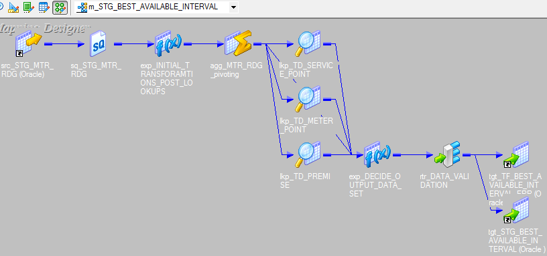

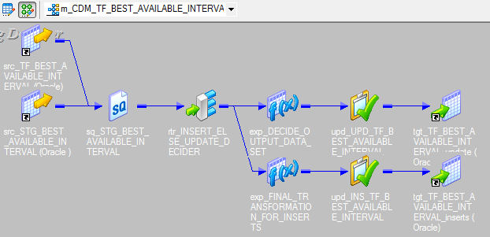

A LEFT OUTER JOIN is one of the JOIN operations that allow you to specify a join clause. It preserves the unmatched rows from the first (left) table, joining them with a NULL row in the shape of the second (right) table.
Display all the parts irrespective of whether any supplier supplies them or not:

SELECT P.Part_Id, S.Supplier_Name
FROM Part P, Supplier S
WHERE P.Supplier_Id = S.Supplier_Id (+)

SELECT P.Part_Id, S.Supplier_Name
FROM Part P, Supplier S
WHERE S.Supplier_Id (+) = P.Supplier_Id

partition #1
SELECT /*+ PARALLEL(8) */
STG_BEST_AVAILABLE_INTERVAL.INTERVAL_READING_DT, STG_BEST_AVAILABLE_INTERVAL.CHANNEL_NBR, STG_BEST_AVAILABLE_INTERVAL.PREMISE_NBR, STG_BEST_AVAILABLE_INTERVAL.SERVICE_POINT_NBR, STG_BEST_AVAILABLE_INTERVAL.METER_POINT_NBR, STG_BEST_AVAILABLE_INTERVAL.PREMISE_KEY, STG_BEST_AVAILABLE_INTERVAL.SERVICE_POINT_KEY, STG_BEST_AVAILABLE_INTERVAL.METER_POINT_KEY, STG_BEST_AVAILABLE_INTERVAL.METER_EQUIP_CD, STG_BEST_AVAILABLE_INTERVAL.METER_EQUIP_MFR_CD, STG_BEST_AVAILABLE_INTERVAL.AMI_EQUIPMENT_TYP, STG_BEST_AVAILABLE_INTERVAL.COMPANY_NBR, STG_BEST_AVAILABLE_INTERVAL.COMPANY_NM, STG_BEST_AVAILABLE_INTERVAL.INTERVAL_MSMT_COMP_ID, STG_BEST_AVAILABLE_INTERVAL.REGISTERED_MSMT_COMP_ID, STG_BEST_AVAILABLE_INTERVAL.SERVICE_ZIP_CD, STG_BEST_AVAILABLE_INTERVAL.REGISTERED_TOTAL_ENERGY_QTY, STG_BEST_AVAILABLE_INTERVAL.REGISTERED_INDEX_QTY, STG_BEST_AVAILABLE_INTERVAL.REGISTERED_STS, STG_BEST_AVAILABLE_INTERVAL.INTERVAL_HR0030_ENERGY_QTY, STG_BEST_AVAILABLE_INTERVAL.INTERVAL_HR0030_STS, STG_BEST_AVAILABLE_INTERVAL.INTERVAL_HR0100_ENERGY_QTY, STG_BEST_AVAILABLE_INTERVAL.INTERVAL_HR0100_STS, STG_BEST_AVAILABLE_INTERVAL.INTERVAL_HR0130_ENERGY_QTY, STG_BEST_AVAILABLE_INTERVAL.INTERVAL_HR0130_STS, STG_BEST_AVAILABLE_INTERVAL.INTERVAL_HR0200_ENERGY_QTY, STG_BEST_AVAILABLE_INTERVAL.INTERVAL_HR0200_STS, STG_BEST_AVAILABLE_INTERVAL.INTERVAL_HR0230_ENERGY_QTY, STG_BEST_AVAILABLE_INTERVAL.INTERVAL_HR0230_STS, STG_BEST_AVAILABLE_INTERVAL.INTERVAL_HR0300_ENERGY_QTY, STG_BEST_AVAILABLE_INTERVAL.INTERVAL_HR0300_STS, STG_BEST_AVAILABLE_INTERVAL.INTERVAL_HR0330_ENERGY_QTY, STG_BEST_AVAILABLE_INTERVAL.INTERVAL_HR0330_STS, STG_BEST_AVAILABLE_INTERVAL.INTERVAL_HR0400_ENERGY_QTY, STG_BEST_AVAILABLE_INTERVAL.INTERVAL_HR0400_STS, STG_BEST_AVAILABLE_INTERVAL.INTERVAL_HR0430_ENERGY_QTY, STG_BEST_AVAILABLE_INTERVAL.INTERVAL_HR0430_STS, STG_BEST_AVAILABLE_INTERVAL.INTERVAL_HR0500_ENERGY_QTY, STG_BEST_AVAILABLE_INTERVAL.INTERVAL_HR0500_STS, STG_BEST_AVAILABLE_INTERVAL.INTERVAL_HR0530_ENERGY_QTY, STG_BEST_AVAILABLE_
FROM
IH_STG.STG_BEST_AVAILABLE_INTERVAL, CDM.TF_BEST_AVAILABLE_INTERVAL
WHERE
STG_BEST_AVAILABLE_INTERVAL.INTERVAL_READING_DT = TF_BEST_AVAILABLE_INTERVAL.INTERVAL_READING_DT (+)
AND STG_BEST_AVAILABLE_INTERVAL.PREMISE_NBR = TF_BEST_AVAILABLE_INTERVAL.PREMISE_NBR (+)
AND STG_BEST_AVAILABLE_INTERVAL.SERVICE_POINT_NBR = TF_BEST_AVAILABLE_INTERVAL.SERVICE_POINT_NBR (+)
AND STG_BEST_AVAILABLE_INTERVAL.METER_POINT_NBR = TF_BEST_AVAILABLE_INTERVAL.METER_POINT_NBR (+)
AND STG_BEST_AVAILABLE_INTERVAL.CHANNEL_NBR = TF_BEST_AVAILABLE_INTERVAL.CHANNEL_NBR (+)
AND ORA_HASH(STG_BEST_AVAILABLE_INTERVAL.PREMISE_NBR, 31) = 0

Anonnymouse 15/15
Iteration(recursive) Framework for applying bussiness rules:

bcgadstg : CDM_TO_STG_ANONYMOUS_DATA.ksh: wf_CDM_TO_STG_ANONYMOUS_DATA_PASS
 | m_CDM_TO_STG_ANONYMOUS_DATA_PASS
 | This is to create the consumption amount on the "ANONY.MONTH_ID, ANONY.SERVICE_ZIP_CD, ANONY.DELIVERY_SERVICE_CLS" level and the consumption amount on the "
 | and the consumption amount on the "ANONY.MONTH_ID, ANONY.SERVICE_ZIP_CD, ANONY.DELIVERY_SERVICE_CLS, ANONY.BILL_ACCOUNT_NBR" level
 | Then generate the ratio(percentage) of account level consumption over service class level consumption

wf_CDM_TO_STG_ANONYMOUS_DATA_PASS:(It loads the

bcgadps1: STG_ANONYMOUS_DATA_PASS1.ksh: wf_STG_ANONYMOUS_DATA_PASS1
m_CDM_ANONYMOUS_DATA_SUMMARY; m_STG_ANONYMOUS_DATA_PASS;m_STG_ANONYMOUS_DATA_EXTRACT_LOG

wf_STG_ANONYMOUS_DATA_PASS1:
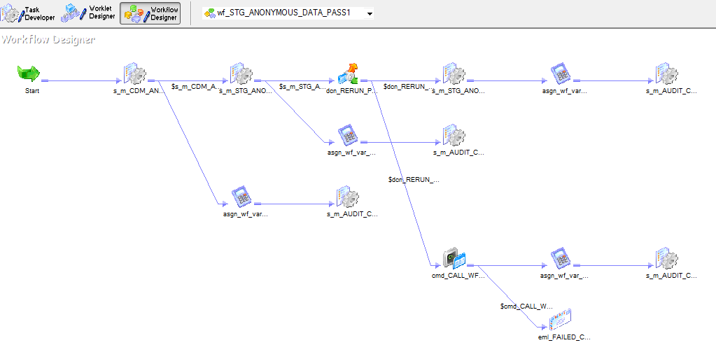

15/15 rules logic:
Job#1 (read from table1 and load table2)
<1>Find the groups of records that are than 15 counts per service level class from table1
<2>Based on the input from <1>, load the records that are 15% or less to table2
<3>If there are records that are 15% or more, we need to apply the same logic and kick off job#2.

Job#2(read from table2 and load table1)

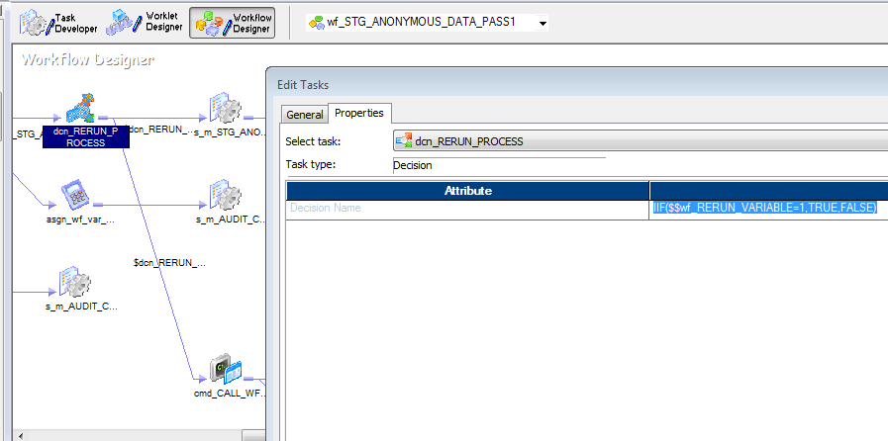

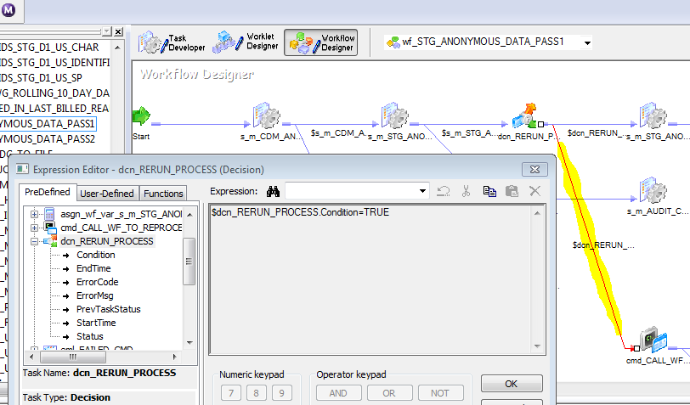

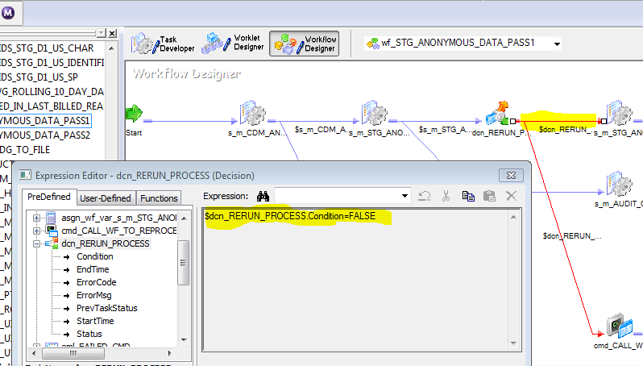

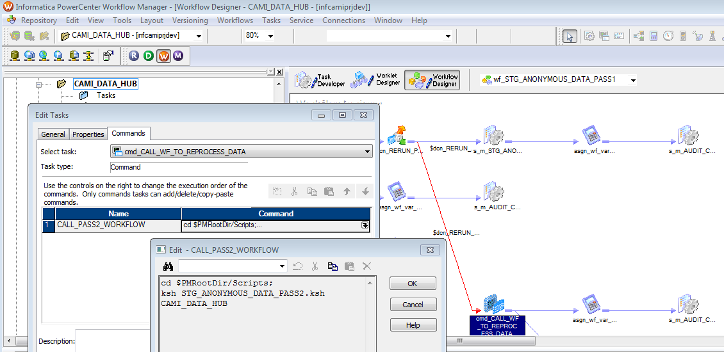

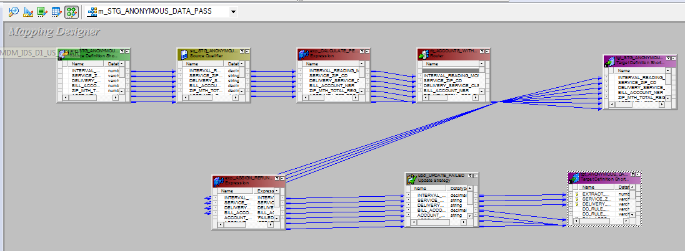

source quanlifier:

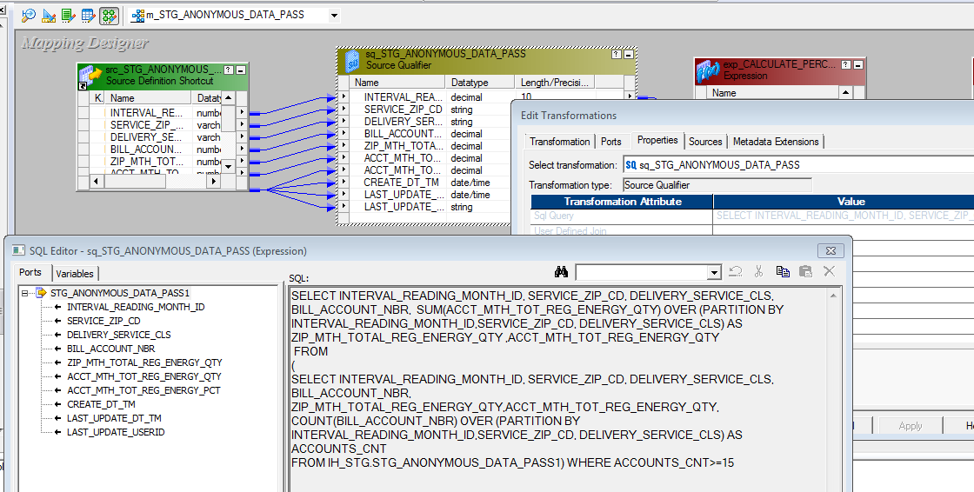

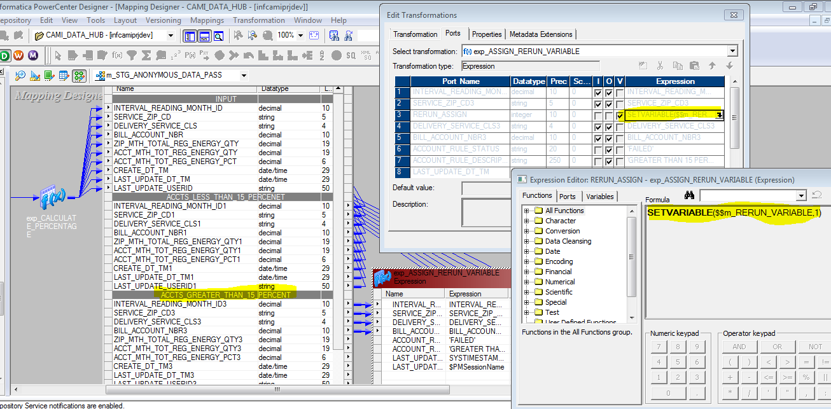

Continues workflow
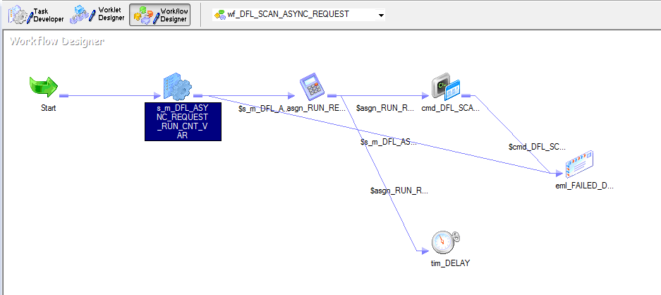

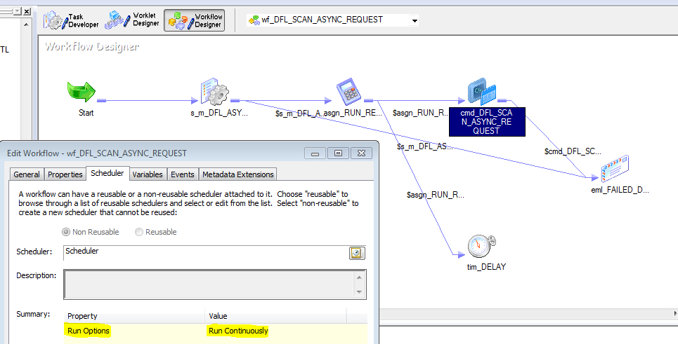

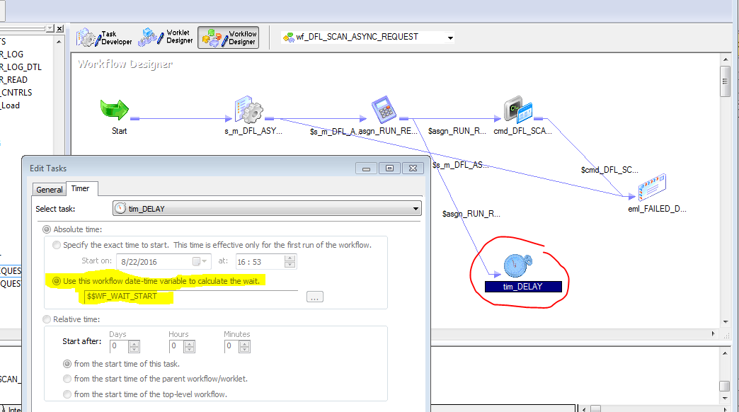

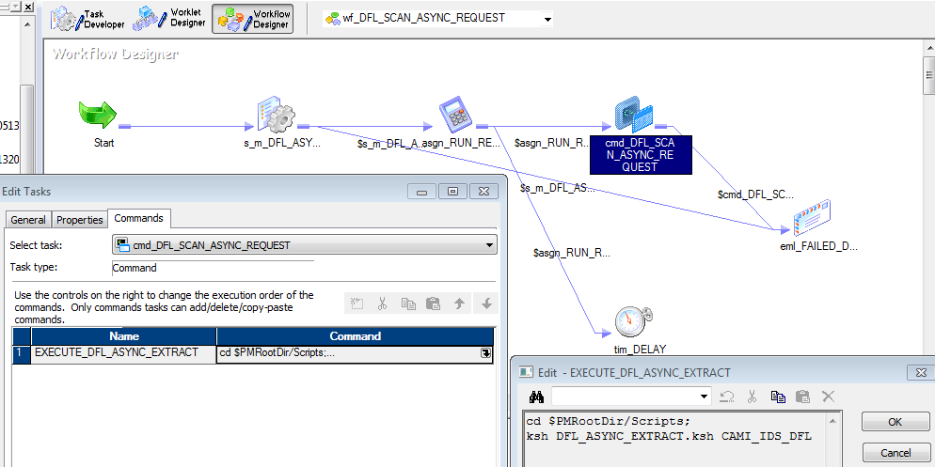

 | IDS_CDM_PARAM_FILE_DFL.txt

 | $PMMergeSessParamFile=TRUE

 | $DBConnection_IHUBREAD =Oracle_IHUBREAD
 | $DBConnection_IHUBMODIFY=Oracle_IHUBMODIFY

 | #Input Flat Files

 | #Global Parameters
 | $$MAX_COUNT=10

 | #Output Flat Files

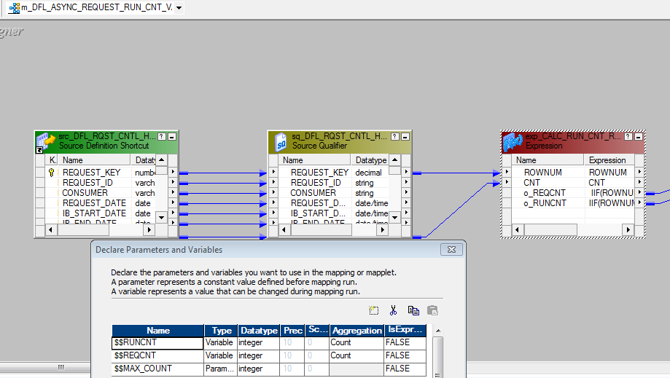

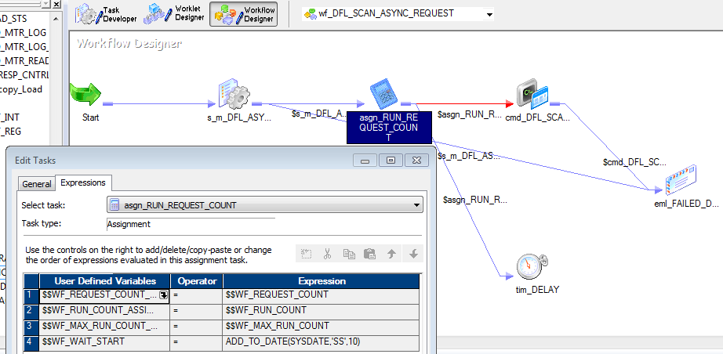

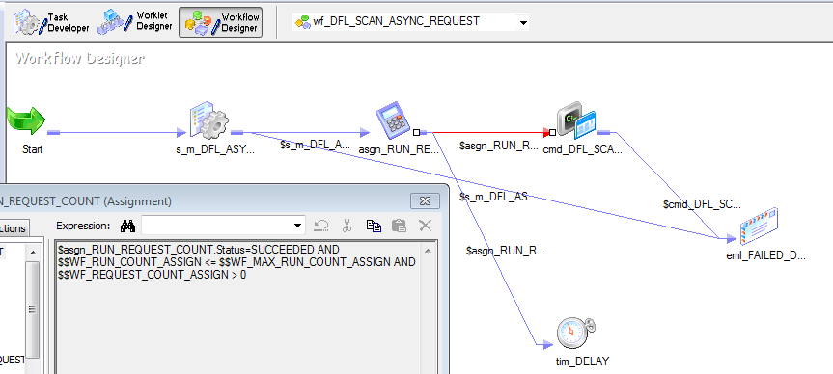

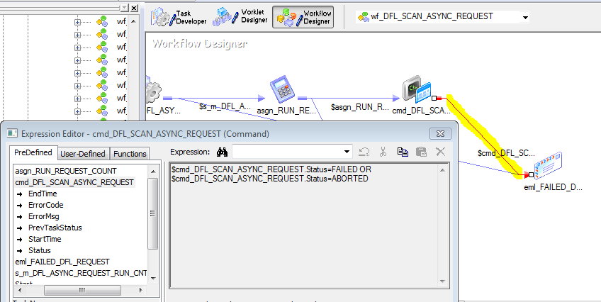

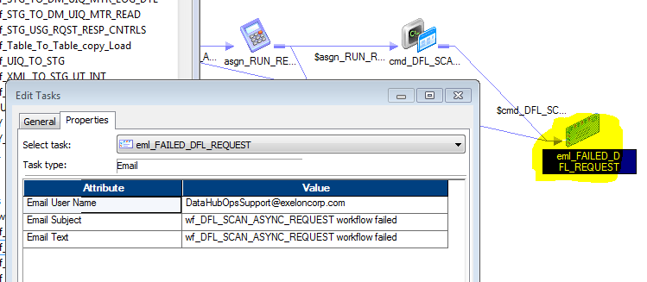

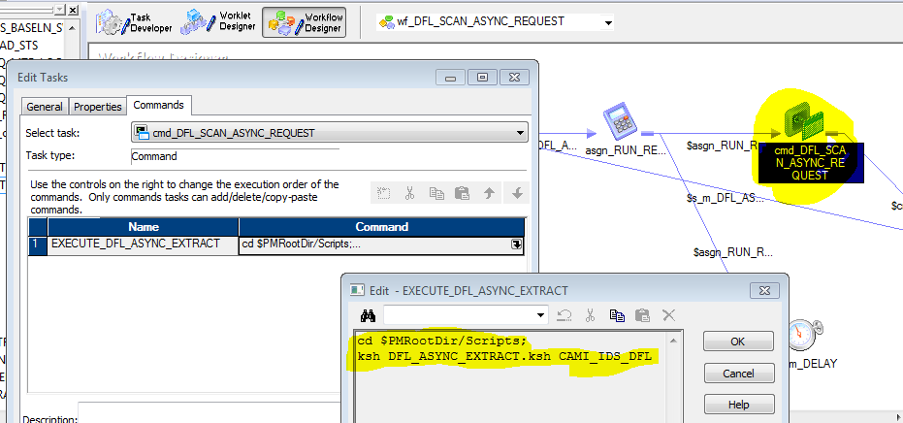

DFL_ASYNC_EXTRACT.ksh
#!/usr/bin/ksh
set -x

export PATH=/erp/infa/Oracle/Middleware/EPMSystem11R1/products/Essbase/EssbaseClient:/erp/infa/Oracle/Middleware/EPMSystem11R1/products/Essbase/EssbaseClient/bin:/usr/s
bin:/usr/bin:.:/erp/infa/PC95HF3/server/bin:/erp/infa/PWX961:/erp/usr/local/bin/sparcv9:/erp/usr/local/bin:/home/informa/scripts:/home/sybase:/opt/sybase/15.0/OCS-15_0S
/bin:/opt/sybase/15.0/ASE-15_0/install:/erp/infa/PC95HF3/ODBC7.0/bin:/opt/home/t41ccc02/sqllib/bin:/opt/home/t41ccc02/sqllib/adm:/opt/home/t41ccc02/sqllib/misc:/opt/hom
e/t41ccc02/sqllib/db2tss/bin:/opt/IBM/db2/V9.7/bin:/oracle/product/11.2.0.4/bin

export LD_LIBRARY_PATH=/erp/infa/PC95HF3/server/bin:/erp/infa/Oracle/Middleware/EPMSystem11R1/products/Essbase/EssbaseClient/bin:/erp/infa/PC95HF3/server/bin:/erp/usr/l
ocal/lib/sparcv9:/erp/usr/local/lib:/opt/sybase/15.0/OCS-15_0/lib:/erp/infa/PC95HF3/ODBC7.0/lib:/opt/home/t42ccc01/sqllib/lib64:/opt/home/t42ccc01/sqllib/lib32:/opt/IBM
/db2/V9.7/lib:/oracle/product/11.2.0.4/lib:/opt/mqm/lib64

export ENVR=`pwd| cut -d"/" -f1-4`
PROG=`basename $0`

export START_STEP=01
export END_STEP=01

export INFAFOLDER=$1

INI=$ENVR/Scripts/common_funcs.ksh

. $INI

function run_step01
{
CURPROG=wf_DFL_ASYNC_EXTRACT
print_process_header $CURPROG

export ParamFile=$ENVR/Cntldata/IDS_CDM_PARAM_FILE_DFL.txt

$ENVR/Scripts/ihub_pmcmd_dfl.ksh -f $ParamFile -F $INFAFOLDER $CURPROG
ERRCODE=$?
#check_return_code $ERRCODE $CURPROG
}

print_header
run_steps
print_trailer 0
exit 0
#End of scripts DFL_ASYNC_EXTRACT.ksh

Start of configure file IDS_CDM_PARAM_FILE_DFL.txt
[Global]
$PMMergeSessParamFile=TRUE

$DBConnection_IHUBREAD =Oracle_IHUBREAD
$DBConnection_IHUBMODIFY=Oracle_IHUBMODIFY

#Input Flat Files

#Global Parameters
$$MAX_COUNT=10
#End of configure file IDS_CDM_PARAM_FILE_DFL.txt
#Output Flat Files

wf_DFL_ASYNC_EXTRACT:

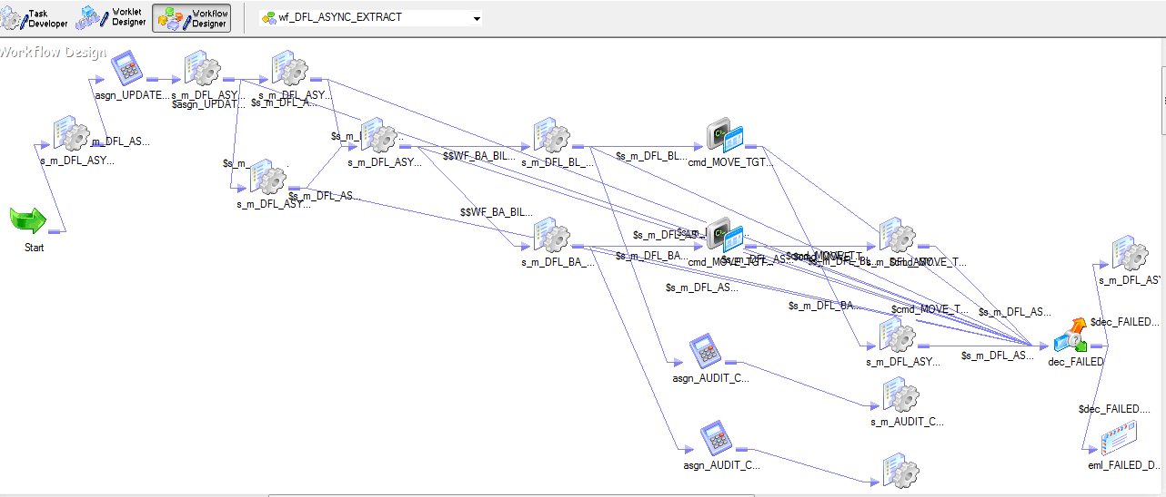

<<1>> Get the request with the request key is the smallest number. Only one request will be get. See the below SQL from the soure quanlifier
This session will set the mapping level variable values of $$PII_FLAG, $$BA_BILL_FLG, $$REQUEST_KEY and $$TGT_FILE_NAME

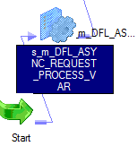

m_DFL_ASYNC_REQUEST_PROCESS_VAR

soure quanlifier SQL. No update to target.
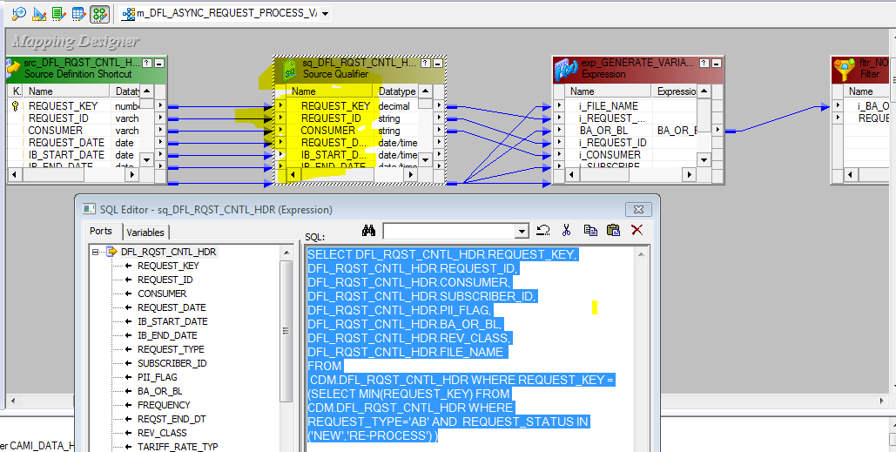

SELECT DFL_RQST_CNTL_HDR.REQUEST_KEY, DFL_RQST_CNTL_HDR.REQUEST_ID, DFL_RQST_CNTL_HDR.CONSUMER, DFL_RQST_CNTL_HDR.SUBSCRIBER_ID, DFL_RQST_CNTL_HDR.PII_FLAG, DFL_RQST_CNTL_HDR.BA_OR_BL, DFL_RQST_CNTL_HDR.REV_CLASS, DFL_RQST_CNTL_HDR.FILE_NAME
FROM
CDM.DFL_RQST_CNTL_HDR WHERE REQUEST_KEY = (SELECT MIN(REQUEST_KEY) FROM CDM.DFL_RQST_CNTL_HDR WHERE REQUEST_TYPE='AB' AND REQUEST_STATUS IN ('NEW','RE-PROCESS') )

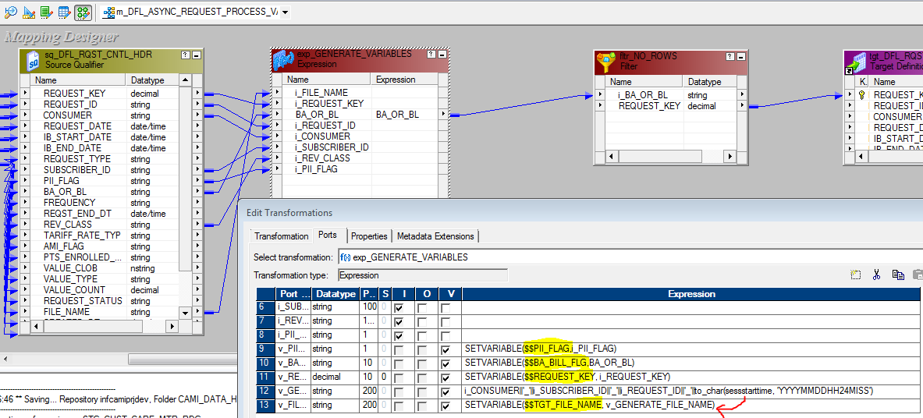

<<2>>The assignment task will assign the values based if the previouse session s_m_DFL_ASYNC_REQUEST_PROCESS_VAR returns more than zero records.
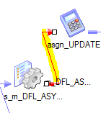

<<3>> Initialize workflow level variables

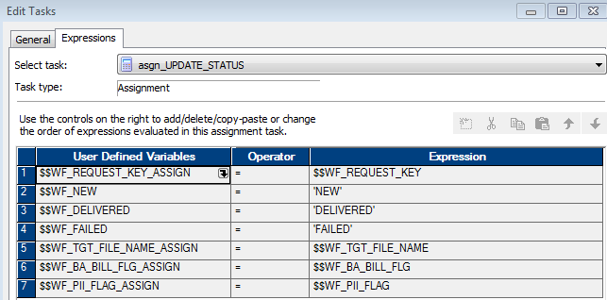

<<4>> Set the status of CDM.DFL_RQST_CNTL_HDR.REQUEST_STATUS. For this session it will set to 'IN-PROGRESS'. But the mapping can set it to other status also
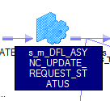

update the status in table CDM.DFL_RQST_CNTL_HDR
m_DFL_ASYNC_UPDATE_REQUEST_STATUS
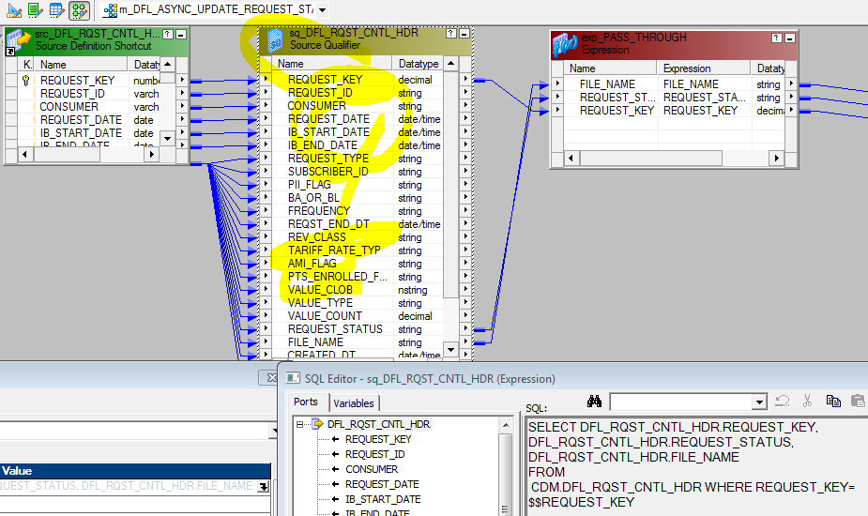

SQ SQL:
SELECT DFL_RQST_CNTL_HDR.REQUEST_KEY, DFL_RQST_CNTL_HDR.REQUEST_STATUS, DFL_RQST_CNTL_HDR.FILE_NAME
FROM
CDM.DFL_RQST_CNTL_HDR WHERE REQUEST_KEY=$$REQUEST_KEY

update the status field of table CDM.DFL_RQST_CNTL_HDR.REQUEST_STATUS based on the workflow level variable $$REQUEST_STATUS
<1>$$REQUEST_STATUS='NEW' update it to 'IN-PROGRESS'
<2>$$REQUEST_STATUS='FAILED' OR $$REQUEST_STATUS='ABORTED', update it to the value of $$REQUEST_STATUS
<3>$$REQUEST_STATUS='DELIVERED'. In this case, the FILE_NAME field also need to be updated

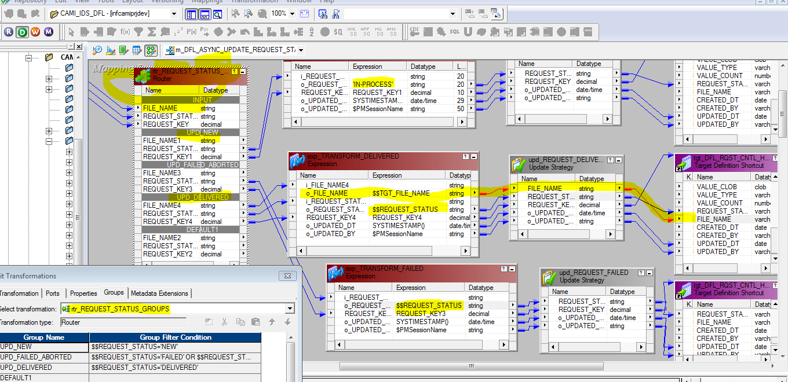

<<5>> If the previsoue session s_m_DFL_ASYNC_UPDATE_REQUEST_STATUS runs successfully, it kicks off two other session to process clob and TARRIFF or REV date in table CDM.DFL_RQST_CNTL_HDR

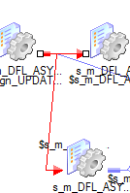

both link in red has the same condifion:

<<6>>Convert the input record from CDM.DFL_RQST_CNTL_HDR for clob data and save them to CDM.DFL_RQST_CNTL_CLOB_DETAIL if any. See the example
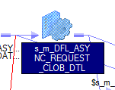

m_DFL_ASYNC_REQUEST_CLOB_DETAIL
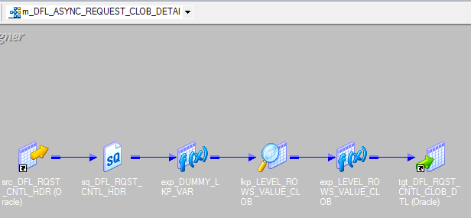

source SQ
SELECT DFL_RQST_CNTL_HDR.REQUEST_KEY, DFL_RQST_CNTL_HDR.VALUE_CLOB, DFL_RQST_CNTL_HDR.VALUE_TYPE, DFL_RQST_CNTL_HDR.VALUE_COUNT
FROM
CDM.DFL_RQST_CNTL_HDR WHERE REQUEST_KEY=
$$REQUEST_KEY

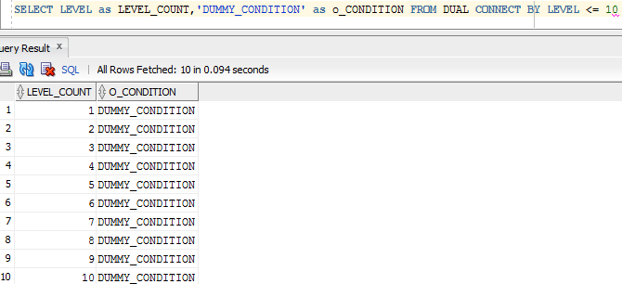

convert the clob value from one record to multiple records

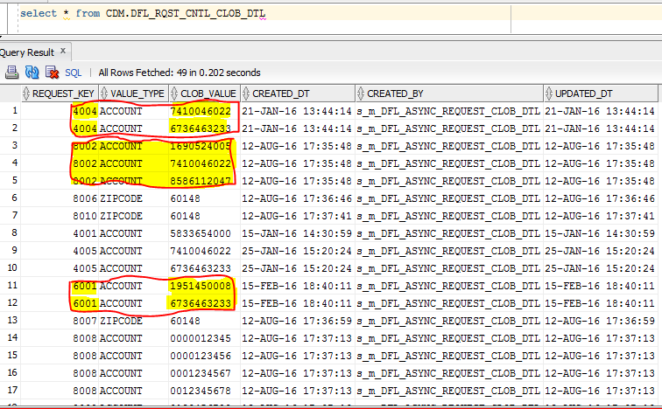

<<7>>Convert the input record from CDM.DFL_RQST_CNTL_HDR for REV and TRF data and save them to CDM.DFL_RQST_CNTL_REV_TRF_DETAIL if any. See the example

m_DFL_ASYNC_REQUEST_TARIFF_REV_DTL

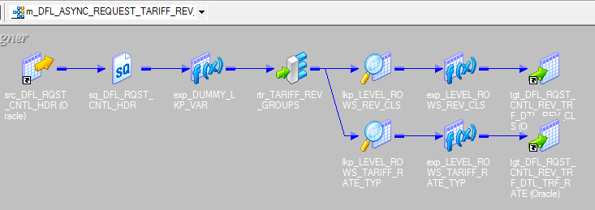

SELECT DFL_RQST_CNTL_HDR.REQUEST_KEY, DFL_RQST_CNTL_HDR.REV_CLASS, DFL_RQST_CNTL_HDR.TARIFF_RATE_TYP
FROM
CDM.DFL_RQST_CNTL_HDR WHERE REQUEST_KEY=$$REQUEST_KEY

Records are loaded to table cdm.DFL_RQST_CNTL_REV_TRF_DTL
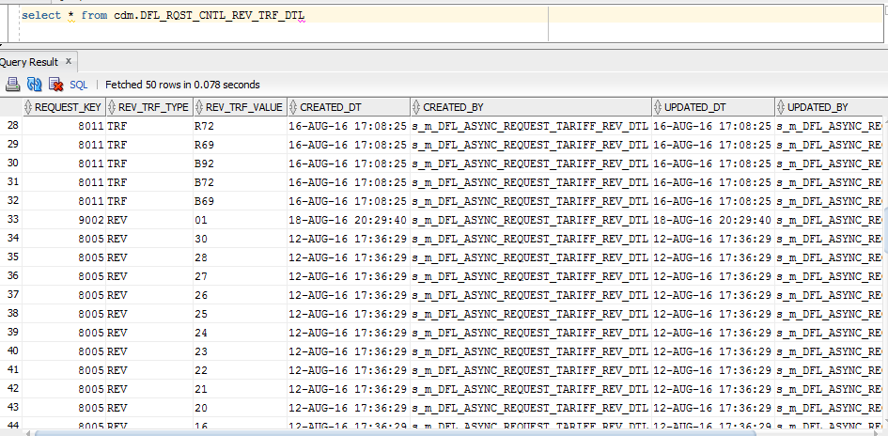

Source Data:

<<8>>Starting to create the FROM clause of the finally SQL and save the clause string to a parameter file: $PMTargetFileDir\EDE\PARAM\DFL_ASYNC_CREATE_EXTRACT_$$WF_REQUEST_KEY_ASSIGN.txt

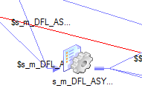

m_DFL_ASYNC_PARAM mplt_GNERATE_SQL

soure quanlifier SQL:
SELECT DFL_RQST_CNTL_HDR.REQUEST_KEY, DFL_RQST_CNTL_HDR.IB_START_DATE, DFL_RQST_CNTL_HDR.IB_END_DATE, DFL_RQST_CNTL_HDR.REQUEST_TYPE, DFL_RQST_CNTL_HDR.PII_FLAG, DFL_RQST_CNTL_HDR.BA_OR_BL, DFL_RQST_CNTL_HDR.REV_CLASS, DFL_RQST_CNTL_HDR.TARIFF_RATE_TYP, DFL_RQST_CNTL_HDR.AMI_FLAG, DFL_RQST_CNTL_HDR.PTS_ENROLLED_FLAG, DFL_RQST_CNTL_HDR.VALUE_TYPE
FROM
CDM.DFL_RQST_CNTL_HDR WHERE REQUEST_KEY=$$REQUEST_KEY

Will generate a file similar to:
DFL_ASYNC_CREATE_EXTRACT_77693.txt
####file contents start:
[Global]
$$REQUEST_KEY=77693
$$DYNAMIC_SQL_FROM=FROM CDM.TF_BEST_AVAILABLE_INTERVAL BA,CUST_DW.TD_BILL_ACCOUNT B,CUST_ODS.TO_CU02TB09_BA_MPT TOCUS ,CUST_DW.TD_PREMISE P,CUST_ODS.TT_TARIFF_RATE TR WHERE BA.INTERVAL_READING_DT BETWEEN '01/13/2014' AND '01/13/2016' AND TOCUS.BILL_ACCOUNT_NBR > 0 AND TOCUS.PREMISE_NBR = BA.PREMISE_NBR AND TOCUS.SERVICE_POINT_NBR = BA.SERVICE_POINT_NBR AND TOCUS.METER_POINT_NBR =BA.METER_POINT_NBR AND TOCUS.BILL_ACCOUNT_NBR = B.BILL_ACCOUNT_NBR AND TOCUS.CIMS_LAST_RECORD_TYP IN ('I','U') AND BA.INTERVAL_READING_DT >= TOCUS.METER_POINT_EFF_DT AND BA.INTERVAL_READING_DT < TOCUS.METER_POINT_END_DT AND BA.INTERVAL_READING_DT >= B.BILL_ACCOUNT_KEY_EFF_DT_TM AND BA.INTERVAL_READING_DT < B.BILL_ACCOUNT_KEY_EXP_DT_TM AND B.BILL_ACCOUNT_NBR IN (SELECT CLOB_VALUE FROM CDM.DFL_RQST_CNTL_CLOB_DTL WHERE REQUEST_KEY=77693.000000000000000) AND P.PREMISE_KEY > 0 AND P.PREMISE_KEY=BA.PREMISE_KEY AND BA.INTERVAL_READING_DT >= P.PREMISE_KEY_EFF_DT_TM AND BA.INTERVAL_READING_DT < P.PREMISE_KEY_EXP_DT_TM AND TR.ROW_STS = '02' AND TR.PREMISE_NBR = BA.PREMISE_NBR AND TR.SERVICE_POINT_NBR = BA.SERVICE_POINT_NBR AND BA.INTERVAL_READING_DT >= TR.SERVICE_POINT_TARIFF_EFF_DT AND BA.INTERVAL_READING_DT < TR.SERVICE_POINT_TARIFF_EXP_DT
####file contents end:

<<9>>Extract BL records. See the source quanlifier by using the parameter file created previously
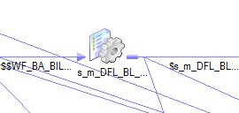

m_DFL_BL_CREATE_EXTRACT

Session's parameter file:

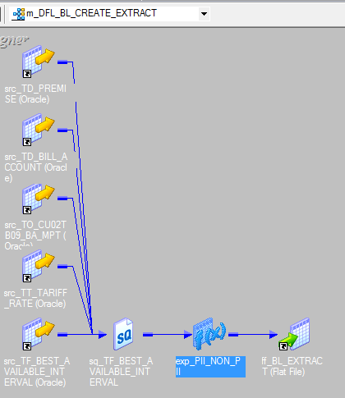

Source Quanlifier SQL:
SELECT
/*+ full(ba) parallel(16) */
BA.INTERVAL_READING_DT AS INTERVAL_READING_DT,
(CAST(TRUNC(BA.INTERVAL_READING_DT) AS DATE) - DATE '1970-01-01')*24*60*60 AS INTERVAL_READING_DT_SEC,
BA.CHANNEL_NBR AS CHANNEL_NBR,
BA.PREMISE_NBR AS PREMISE_NBR,
BA.SERVICE_POINT_NBR AS SERVICE_POINT_NBR,
BA.METER_POINT_NBR AS METER_POINT_NBR,
BA.METER_EQUIP_CD AS METER_EQUIP_CD,
BA.METER_EQUIP_MFR_CD AS METER_EQUIP_MFR_CD,
BA.COMPANY_NBR AS COMPANY_NBR,
BA.COMPANY_NM AS COMPANY_NM,
TOCUS.BILL_ACCOUNT_NBR | AS BILL_ACCOUNT_NBR,
B.CUSTOMER_FULL_NM | AS CUSTOMER_FULL_NM,
P.SERVICE_ADDRESS_LINE1_TXT |  | AS SERVICE_ADDRESS_LINE1_TXT,
P.SERVICE_ADDRESS_LINE2_TXT |  | AS SERVICE_ADDRESS_LINE2_TXT,
P.SERVICE_ADDRESS_LINE3_TXT |  | AS SERVICE_ADDRESS_LINE3_TXT,
P.SERVICE_CITY_NM AS SERVICE_CITY_NM,
P.SERVICE_STATE_CD AS SERVICE_STATE_CD,
BA.SERVICE_ZIP_CD AS SERVICE_ZIP_CD,
B.REVENUE_CLASS_NM AS REVENUE_CLASS_NM,
TR.TARIFF_RATE_TYP AS TARIFF_RATE_TYP,
TR.TARIFF_RATE_NM AS TARIFF_RATE_NM,
TR.SERVICE_POINT_TARIFF_EFF_DT AS SERVICE_POINT_TARIFF_EFF_DT,
TR.SERVICE_POINT_TARIFF_EXP_DT AS SERVICE_POINT_TARIFF_EXP_DT,
BA.INTERVAL_MSMT_COMP_ID AS INTERVAL_MSMT_COMP_ID,
BA.AMI_EQUIPMENT_TYP AS AMI_EQUIPMENT_TYP,
BA.INTERVAL_HR0100_ENERGY_QTY AS INTERVAL_HR0100_ENERGY_QTY,
BA.INTERVAL_HR0100_STS AS INTERVAL_HR0100_STS,
BA.INTERVAL_HR0200_ENERGY_QTY AS INTERVAL_HR0200_ENERGY_QTY,
BA.INTERVAL_HR0200_STS AS INTERVAL_HR0200_STS,
BA.INTERVAL_HR0300_ENERGY_QTY AS INTERVAL_HR0300_ENERGY_QTY,
BA.INTERVAL_HR0300_STS AS INTERVAL_HR0300_STS,
BA.INTERVAL_HR0400_ENERGY_QTY AS INTERVAL_HR0400_ENERGY_QTY,
BA.INTERVAL_HR0400_STS AS INTERVAL_HR0400_STS,
BA.INTERVAL_HR0500_ENERGY_QTY AS INTERVAL_HR0500_ENERGY_QTY,
BA.INTERVAL_HR0500_STS AS INTERVAL_HR0500_STS,
BA.INTERVAL_HR0600_ENERGY_QTY AS INTERVAL_HR0600_ENERGY_QTY,
BA.INTERVAL_HR0600_STS AS INTERVAL_HR0600_STS,
BA.INTERVAL_HR0700_ENERGY_QTY AS INTERVAL_HR0700_ENERGY_QTY,
BA.INTERVAL_HR0700_STS AS INTERVAL_HR0700_STS,
BA.INTERVAL_HR0800_ENERGY_QTY AS INTERVAL_HR0800_ENERGY_QTY,
BA.INTERVAL_HR0800_STS AS INTERVAL_HR0800_STS,
BA.INTERVAL_HR0900_ENERGY_QTY AS INTERVAL_HR0900_ENERGY_QTY,
BA.INTERVAL_HR0900_STS AS INTERVAL_HR0900_STS,
BA.INTERVAL_HR1000_ENERGY_QTY AS INTERVAL_HR1000_ENERGY_QTY,
BA.INTERVAL_HR1000_STS AS INTERVAL_HR1000_STS,
BA.INTERVAL_HR1100_ENERGY_QTY AS INTERVAL_HR1100_ENERGY_QTY,
BA.INTERVAL_HR1100_STS AS INTERVAL_HR1100_STS,
BA.INTERVAL_HR1200_ENERGY_QTY AS INTERVAL_HR1200_ENERGY_QTY,
BA.INTERVAL_HR1200_STS AS INTERVAL_HR1200_STS,
BA.INTERVAL_HR1300_ENERGY_QTY AS INTERVAL_HR1300_ENERGY_QTY,
BA.INTERVAL_HR1300_STS AS INTERVAL_HR1300_STS,
BA.INTERVAL_HR1400_ENERGY_QTY AS INTERVAL_HR1400_ENERGY_QTY,
BA.INTERVAL_HR1400_STS AS INTERVAL_HR1400_STS,
BA.INTERVAL_HR1500_ENERGY_QTY AS INTERVAL_HR1500_ENERGY_QTY,
BA.INTERVAL_HR1500_STS AS INTERVAL_HR1500_STS,
BA.INTERVAL_HR1600_ENERGY_QTY AS INTERVAL_HR1600_ENERGY_QTY,
BA.INTERVAL_HR1600_STS AS INTERVAL_HR1600_STS,
BA.INTERVAL_HR1700_ENERGY_QTY AS INTERVAL_HR1700_ENERGY_QTY,
BA.INTERVAL_HR1700_STS AS INTERVAL_HR1700_STS,
BA.INTERVAL_HR1800_ENERGY_QTY AS INTERVAL_HR1800_ENERGY_QTY,
BA.INTERVAL_HR1800_STS AS INTERVAL_HR1800_STS,
BA.INTERVAL_HR1900_ENERGY_QTY AS INTERVAL_HR1900_ENERGY_QTY,
BA.INTERVAL_HR1900_STS AS INTERVAL_HR1900_STS,
BA.INTERVAL_HR2000_ENERGY_QTY AS INTERVAL_HR2000_ENERGY_QTY,
BA.INTERVAL_HR2000_STS AS INTERVAL_HR2000_STS,
BA.INTERVAL_HR2100_ENERGY_QTY AS INTERVAL_HR2100_ENERGY_QTY,
BA.INTERVAL_HR2100_STS AS INTERVAL_HR2100_STS,
BA.INTERVAL_HR2200_ENERGY_QTY AS INTERVAL_HR2200_ENERGY_QTY,
BA.INTERVAL_HR2200_STS AS INTERVAL_HR2200_STS,
BA.INTERVAL_HR2300_ENERGY_QTY AS INTERVAL_HR2300_ENERGY_QTY,
BA.INTERVAL_HR2300_STS AS INTERVAL_HR2300_STS,
BA.INTERVAL_HR2400_ENERGY_QTY AS INTERVAL_HR2400_ENERGY_QTY,
BA.INTERVAL_HR2400_STS AS INTERVAL_HR2400_STS,
BA.INTERVAL_HR2500_ENERGY_QTY AS INTERVAL_HR2500_ENERGY_QTY,
BA.INTERVAL_HR2500_STS AS INTERVAL_HR2500_STS
$$DYNAMIC_SQL_FROM
ORDER BY BA.SERVICE_ZIP_CD,TOCUS.BILL_ACCOUNT_NBR,BA.METER_EQUIP_CD,BA.INTERVAL_READING_DT

<<10>>Extract BA records. See the source quanlifier by using the parameter file created previously
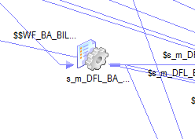

m_DFL_BA_CREATE_EXTRACT
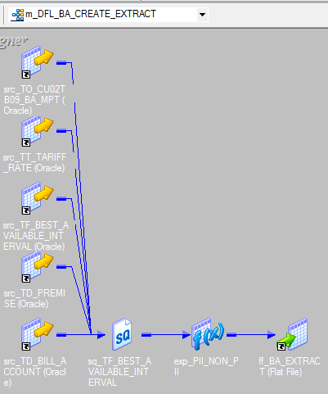

Source Quanlifer SQL:
SELECT
/*+ full(ba) parallel(16) */
BA.INTERVAL_READING_DT AS INTERVAL_READING_DT,
(CAST(TRUNC(BA.INTERVAL_READING_DT) AS DATE) - DATE '1970-01-01')*24*60*60 AS INTERVAL_READING_DT_SEC,
BA.CHANNEL_NBR AS CHANNEL_NBR,
BA.PREMISE_NBR AS PREMISE_NBR,
BA.SERVICE_POINT_NBR AS SERVICE_POINT_NBR,
BA.METER_POINT_NBR AS METER_POINT_NBR,
BA.METER_EQUIP_CD AS METER_EQUIP_CD,
BA.METER_EQUIP_MFR_CD AS METER_EQUIP_MFR_CD,
BA.COMPANY_NBR AS COMPANY_NBR,
BA.COMPANY_NM AS COMPANY_NM,
TOCUS.BILL_ACCOUNT_NBR AS BILL_ACCOUNT_NBR,
B.CUSTOMER_FULL_NM AS CUSTOMER_FULL_NM,
P.SERVICE_ADDRESS_LINE1_TXT AS SERVICE_ADDRESS_LINE1_TXT,
P.SERVICE_ADDRESS_LINE2_TXT AS SERVICE_ADDRESS_LINE2_TXT,
P.SERVICE_ADDRESS_LINE3_TXT AS SERVICE_ADDRESS_LINE3_TXT,
P.SERVICE_CITY_NM AS SERVICE_CITY_NM,
P.SERVICE_STATE_CD AS SERVICE_STATE_CD,
BA.SERVICE_ZIP_CD AS SERVICE_ZIP_CD,
B.REVENUE_CLASS_NM AS REVENUE_CLASS_NM,
TR.TARIFF_RATE_TYP AS TARIFF_RATE_TYP,
TR.TARIFF_RATE_NM AS TARIFF_RATE_NM,
TR.SERVICE_POINT_TARIFF_EFF_DT AS SERVICE_POINT_TARIFF_EFF_DT,
TR.SERVICE_POINT_TARIFF_EXP_DT AS SERVICE_POINT_TARIFF_EXP_DT,
BA.INTERVAL_MSMT_COMP_ID AS INTERVAL_MSMT_COMP_ID,
BA.REGISTERED_MSMT_COMP_ID AS REGISTERED_MSMT_COMP_ID,
BA.AMI_EQUIPMENT_TYP AS AMI_EQUIPMENT_TYP,
BA.REGISTERED_TOTAL_ENERGY_QTY AS REGISTERED_TOTAL_ENERGY_QTY,
BA.REGISTERED_INDEX_QTY AS REGISTERED_INDEX_QTY,
BA.REGISTERED_STS AS REGISTERED_STS,
BA.INTERVAL_HR0030_ENERGY_QTY AS INTERVAL_HR0030_ENERGY_QTY,
BA.INTERVAL_HR0030_STS AS INTERVAL_HR0030_STS,
BA.INTERVAL_HR0100_ENERGY_QTY AS INTERVAL_HR0100_ENERGY_QTY,
BA.INTERVAL_HR0100_STS AS INTERVAL_HR0100_STS,
BA.INTERVAL_HR0130_ENERGY_QTY AS INTERVAL_HR0130_ENERGY_QTY,
BA.INTERVAL_HR0130_STS AS INTERVAL_HR0130_STS,
BA.INTERVAL_HR0200_ENERGY_QTY AS INTERVAL_HR0200_ENERGY_QTY,
BA.INTERVAL_HR0200_STS AS INTERVAL_HR0200_STS,
BA.INTERVAL_HR0230_ENERGY_QTY AS INTERVAL_HR0230_ENERGY_QTY,
BA.INTERVAL_HR0230_STS AS INTERVAL_HR0230_STS,
BA.INTERVAL_HR0300_ENERGY_QTY AS INTERVAL_HR0300_ENERGY_QTY,
BA.INTERVAL_HR0300_STS AS INTERVAL_HR0300_STS,
BA.INTERVAL_HR0330_ENERGY_QTY AS INTERVAL_HR0330_ENERGY_QTY,
BA.INTERVAL_HR0330_STS AS INTERVAL_HR0330_STS,
BA.INTERVAL_HR0400_ENERGY_QTY AS INTERVAL_HR0400_ENERGY_QTY,
BA.INTERVAL_HR0400_STS AS INTERVAL_HR0400_STS,
BA.INTERVAL_HR0430_ENERGY_QTY AS INTERVAL_HR0430_ENERGY_QTY,
BA.INTERVAL_HR0430_STS AS INTERVAL_HR0430_STS,
BA.INTERVAL_HR0500_ENERGY_QTY AS INTERVAL_HR0500_ENERGY_QTY,
BA.INTERVAL_HR0500_STS AS INTERVAL_HR0500_STS,
BA.INTERVAL_HR0530_ENERGY_QTY AS INTERVAL_HR0530_ENERGY_QTY,
BA.INTERVAL_HR0530_STS AS INTERVAL_HR0530_STS,
BA.INTERVAL_HR0600_ENERGY_QTY AS INTERVAL_HR0600_ENERGY_QTY,
BA.INTERVAL_HR0600_STS AS INTERVAL_HR0600_STS,
BA.INTERVAL_HR0630_ENERGY_QTY AS INTERVAL_HR0630_ENERGY_QTY,
BA.INTERVAL_HR0630_STS AS INTERVAL_HR0630_STS,
BA.INTERVAL_HR0700_ENERGY_QTY AS INTERVAL_HR0700_ENERGY_QTY,
BA.INTERVAL_HR0700_STS AS INTERVAL_HR0700_STS,
BA.INTERVAL_HR0730_ENERGY_QTY AS INTERVAL_HR0730_ENERGY_QTY,
BA.INTERVAL_HR0730_STS AS INTERVAL_HR0730_STS,
BA.INTERVAL_HR0800_ENERGY_QTY AS INTERVAL_HR0800_ENERGY_QTY,
BA.INTERVAL_HR0800_STS AS INTERVAL_HR0800_STS,
BA.INTERVAL_HR0830_ENERGY_QTY AS INTERVAL_HR0830_ENERGY_QTY,
BA.INTERVAL_HR0830_STS AS INTERVAL_HR0830_STS,
BA.INTERVAL_HR0900_ENERGY_QTY AS INTERVAL_HR0900_ENERGY_QTY,
BA.INTERVAL_HR0900_STS AS INTERVAL_HR0900_STS,
BA.INTERVAL_HR0930_ENERGY_QTY AS INTERVAL_HR0930_ENERGY_QTY,
BA.INTERVAL_HR0930_STS AS INTERVAL_HR0930_STS,
BA.INTERVAL_HR1000_ENERGY_QTY AS INTERVAL_HR1000_ENERGY_QTY,
BA.INTERVAL_HR1000_STS AS INTERVAL_HR1000_STS,
BA.INTERVAL_HR1030_ENERGY_QTY AS INTERVAL_HR1030_ENERGY_QTY,
BA.INTERVAL_HR1030_STS AS INTERVAL_HR1030_STS,
BA.INTERVAL_HR1100_ENERGY_QTY AS INTERVAL_HR1100_ENERGY_QTY,
BA.INTERVAL_HR1100_STS AS INTERVAL_HR1100_STS,
BA.INTERVAL_HR1130_ENERGY_QTY AS INTERVAL_HR1130_ENERGY_QTY,
BA.INTERVAL_HR1130_STS AS INTERVAL_HR1130_STS,
BA.INTERVAL_HR1200_ENERGY_QTY AS INTERVAL_HR1200_ENERGY_QTY,
BA.INTERVAL_HR1200_STS AS INTERVAL_HR1200_STS,
BA.INTERVAL_HR1230_ENERGY_QTY AS INTERVAL_HR1230_ENERGY_QTY,
BA.INTERVAL_HR1230_STS AS INTERVAL_HR1230_STS,
BA.INTERVAL_HR1300_ENERGY_QTY AS INTERVAL_HR1300_ENERGY_QTY,
BA.INTERVAL_HR1300_STS AS INTERVAL_HR1300_STS,
BA.INTERVAL_HR1330_ENERGY_QTY AS INTERVAL_HR1330_ENERGY_QTY,
BA.INTERVAL_HR1330_STS AS INTERVAL_HR1330_STS,
BA.INTERVAL_HR1400_ENERGY_QTY AS INTERVAL_HR1400_ENERGY_QTY,
BA.INTERVAL_HR1400_STS AS INTERVAL_HR1400_STS,
BA.INTERVAL_HR1430_ENERGY_QTY AS INTERVAL_HR1430_ENERGY_QTY,
BA.INTERVAL_HR1430_STS AS INTERVAL_HR1430_STS,
BA.INTERVAL_HR1500_ENERGY_QTY AS INTERVAL_HR1500_ENERGY_QTY,
BA.INTERVAL_HR1500_STS AS INTERVAL_HR1500_STS,
BA.INTERVAL_HR1530_ENERGY_QTY AS INTERVAL_HR1530_ENERGY_QTY,
BA.INTERVAL_HR1530_STS AS INTERVAL_HR1530_STS,
BA.INTERVAL_HR1600_ENERGY_QTY AS INTERVAL_HR1600_ENERGY_QTY,
BA.INTERVAL_HR1600_STS AS INTERVAL_HR1600_STS,
BA.INTERVAL_HR1630_ENERGY_QTY AS INTERVAL_HR1630_ENERGY_QTY,
BA.INTERVAL_HR1630_STS AS INTERVAL_HR1630_STS,
BA.INTERVAL_HR1700_ENERGY_QTY AS INTERVAL_HR1700_ENERGY_QTY,
BA.INTERVAL_HR1700_STS AS INTERVAL_HR1700_STS,
BA.INTERVAL_HR1730_ENERGY_QTY AS INTERVAL_HR1730_ENERGY_QTY,
BA.INTERVAL_HR1730_STS AS INTERVAL_HR1730_STS,
BA.INTERVAL_HR1800_ENERGY_QTY AS INTERVAL_HR1800_ENERGY_QTY,
BA.INTERVAL_HR1800_STS AS INTERVAL_HR1800_STS,
BA.INTERVAL_HR1830_ENERGY_QTY AS INTERVAL_HR1830_ENERGY_QTY,
BA.INTERVAL_HR1830_STS AS INTERVAL_HR1830_STS,
BA.INTERVAL_HR1900_ENERGY_QTY AS INTERVAL_HR1900_ENERGY_QTY,
BA.INTERVAL_HR1900_STS AS INTERVAL_HR1900_STS,
BA.INTERVAL_HR1930_ENERGY_QTY AS INTERVAL_HR1930_ENERGY_QTY,
BA.INTERVAL_HR1930_STS AS INTERVAL_HR1930_STS,
BA.INTERVAL_HR2000_ENERGY_QTY AS INTERVAL_HR2000_ENERGY_QTY,
BA.INTERVAL_HR2000_STS AS INTERVAL_HR2000_STS,
BA.INTERVAL_HR2030_ENERGY_QTY AS INTERVAL_HR2030_ENERGY_QTY,
BA.INTERVAL_HR2030_STS AS INTERVAL_HR2030_STS,
BA.INTERVAL_HR2100_ENERGY_QTY AS INTERVAL_HR2100_ENERGY_QTY,
BA.INTERVAL_HR2100_STS AS INTERVAL_HR2100_STS,
BA.INTERVAL_HR2130_ENERGY_QTY AS INTERVAL_HR2130_ENERGY_QTY,
BA.INTERVAL_HR2130_STS AS INTERVAL_HR2130_STS,
BA.INTERVAL_HR2200_ENERGY_QTY AS INTERVAL_HR2200_ENERGY_QTY,
BA.INTERVAL_HR2200_STS AS INTERVAL_HR2200_STS,
BA.INTERVAL_HR2230_ENERGY_QTY AS INTERVAL_HR2230_ENERGY_QTY,
BA.INTERVAL_HR2230_STS AS INTERVAL_HR2230_STS,
BA.INTERVAL_HR2300_ENERGY_QTY AS INTERVAL_HR2300_ENERGY_QTY,
BA.INTERVAL_HR2300_STS AS INTERVAL_HR2300_STS,
BA.INTERVAL_HR2330_ENERGY_QTY AS INTERVAL_HR2330_ENERGY_QTY,
BA.INTERVAL_HR2330_STS AS INTERVAL_HR2330_STS,
BA.INTERVAL_HR2400_ENERGY_QTY AS INTERVAL_HR2400_ENERGY_QTY,
BA.INTERVAL_HR2400_STS AS INTERVAL_HR2400_STS,
BA.INTERVAL_HR2430_ENERGY_QTY AS INTERVAL_HR2430_ENERGY_QTY,
BA.INTERVAL_HR2430_STS AS INTERVAL_HR2430_STS,
BA.INTERVAL_HR2500_ENERGY_QTY AS INTERVAL_HR2500_ENERGY_QTY,
BA.INTERVAL_HR2500_STS AS INTERVAL_HR2500_STS
$$DYNAMIC_SQL_FROM
ORDER BY
BA.SERVICE_ZIP_CD,
TOCUS.BILL_ACCOUNT_NBR,
BA.METER_EQUIP_CD,
BA.INTERVAL_READING_DT

<<11>>Move the newly created BL file
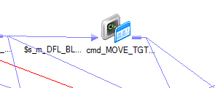



<<11>>Move the newly created BA file




<<12>>update the status in table CDM.CDM.DFL_RQST_CNTL_HDR.REQUEST_STATUS to devlivered for BA file delivery since is if already moved


 |  |  | m_DFL_ASYNC_UPDATE_REQUEST_STATUS





<<13>>update the status in table CDM.CDM.DFL_RQST_CNTL_HDR.REQUEST_STATUS to "devlivered" for BL file delivery since is if already moved

 |  |  | m_DFL_ASYNC_UPDATE_REQUEST_STATUS






 | IIF($s_m_DFL_ASYNC_REQUEST_CLOB_DTL.Status=FAILED OR
 | $s_m_DFL_ASYNC_REQUEST_CLOB_DTL.Status=ABORTED OR
 | $s_m_DFL_ASYNC_REQUEST_TARIFF_REV_DTL.Status=FAILED OR
 | $s_m_DFL_ASYNC_REQUEST_TARIFF_REV_DTL.Status=ABORTED OR
 | $s_m_DFL_ASYNC_PARAM.Status=FAILED OR
 | $s_m_DFL_ASYNC_PARAM.Status=ABORTED OR
 | $s_m_DFL_ASYNC_UPDATE_REQUEST_STATUS.Status=FAILED OR
 | $s_m_DFL_ASYNC_UPDATE_REQUEST_STATUS.Status=ABORTED OR
 | $s_m_DFL_BL_CREATE_EXTRACT.Status=FAILED OR
 | $s_m_DFL_BL_CREATE_EXTRACT.Status=ABORTED OR $s_m_DFL_BA_CREATE_EXTRACT.Status=FAILED OR
 | $s_m_DFL_BA_CREATE_EXTRACT.Status=ABORTED OR
 | $cmd_MOVE_TGT_FILE_BA.Status=FAILED OR $cmd_MOVE_TGT_FILE_BA.Status=ABORTED OR $cmd_MOVE_TGT_FILE_BL.Status=FAILED OR $cmd_MOVE_TGT_FILE_BL.Status=ABORTED OR $s_m_DFL_ASYNC_UPDATE_REQUEST_STATUS_VAR_BA_DELIVERED.Status= FAILED OR $s_m_DFL_ASYNC_UPDATE_REQUEST_STATUS_VAR_BA_DELIVERED.Status=ABORTED OR $s_m_DFL_ASYNC_UPDATE_REQUEST_STATUS_VAR_BL_DELIVERED.Status=FAILED OR $s_m_DFL_ASYNC_UPDATE_REQUEST_STATUS_VAR_BL_DELIVERED.Status=ABORTED,TRUE,FALSE)



<<14>>update the status in table CDM.CDM.DFL_RQST_CNTL_HDR.REQUEST_STATUS to "FAILED" for BL file delivery since is if already moved
 | m_DFL_ASYNC_UPDATE_REQUEST_STATUS





<<16>>send out failure email

Informatica tips
Aggregator: If there is no group by fields are checked, the last record will be choosen
 | If all field are checked as group by keys, the aggregator is actually a dedup

Assignment Task

Passing a value from previous session to the next session:
Defines workflow level variables. Define mapping level variable for both previoue and current mappings


previous mapping set the values

previous mapping level variable is defined

mapping level variables are defined for the next session's mappings

For the previous mapping, mapping level variable value is assigned in expression transformation

for previous session, the post session assignment assign the mapping level variable values to the workflow level variable

previous sesssion set the workflow level variable in the post sesion assignment task

current session set the session level variable in the pre session assignment task

for the current session, the pre session assignment task assigns the workflow vaiable value to the mapping level variable

Query in Parallel:
SELECT Cdm_RawInterval_Staged.startDate, Cdm_RawInterval_Staged.cdwMeterPointKey, Cdm_RawInterval_Staged.RawIntervalId, Cdm_RawInterval_Staged.startDatetime, Cdm_RawInterval_Staged.endDatetime, Cdm_RawInterval_Staged.readingTypeId, Cdm_RawInterval_Staged.dataQualityId, Cdm_RawInterval_Staged.unitOfMeasureId, Cdm_RawInterval_Staged.intervalValue, Cdm_RawInterval_Staged.rawIntervalReading, Cdm_RawInterval_Staged.intervalMinutes
FROM
eccl.Cdm_RawInterval_Staged where
Cdm_RawInterval_Staged.RawIntervalId%10=0

SELECT Cdm_RawInterval_Staged.startDate, Cdm_RawInterval_Staged.cdwMeterPointKey, Cdm_RawInterval_Staged.RawIntervalId, Cdm_RawInterval_Staged.startDatetime, Cdm_RawInterval_Staged.endDatetime, Cdm_RawInterval_Staged.readingTypeId, Cdm_RawInterval_Staged.dataQualityId, Cdm_RawInterval_Staged.unitOfMeasureId, Cdm_RawInterval_Staged.intervalValue, Cdm_RawInterval_Staged.rawIntervalReading, Cdm_RawInterval_Staged.intervalMinutes
FROM
eccl.Cdm_RawInterval_Staged where
Cdm_RawInterval_Staged.RawIntervalId%10=1

SELECT STG_MDR_RAW_INTVL.STARTDATE, STG_MDR_RAW_INTVL.METERPOINTKEY, STG_MDR_RAW_INTVL.INTERVALID,
STG_MDR_RAW_INTVL.READINGTYPEID, STG_MDR_RAW_INTVL.DATAQUALITYID, STG_MDR_RAW_INTVL.UNITOFMEASUREID,
STG_MDR_RAW_INTVL.INTERVALMINUTES, STG_MDR_RAW_INTVL.RAWINTERVALREADING, STG_MDR_RAW_INTVL.INTERVALVALUE,
STG_MDR_RAW_INTVL.STARTDATETIME, STG_MDR_RAW_INTVL.ENDDATETIME
FROM
STG_MDR_RAW_INTVL
WHERE TO_CHAR(STG_MDR_RAW_INTVL.STARTDATETIME,'HH24') ='00'

SELECT STG_MDR_RAW_INTVL.STARTDATE, STG_MDR_RAW_INTVL.METERPOINTKEY, STG_MDR_RAW_INTVL.INTERVALID,
STG_MDR_RAW_INTVL.READINGTYPEID, STG_MDR_RAW_INTVL.DATAQUALITYID, STG_MDR_RAW_INTVL.UNITOFMEASUREID,
STG_MDR_RAW_INTVL.INTERVALMINUTES, STG_MDR_RAW_INTVL.RAWINTERVALREADING, STG_MDR_RAW_INTVL.INTERVALVALUE,
STG_MDR_RAW_INTVL.STARTDATETIME, STG_MDR_RAW_INTVL.ENDDATETIME
FROM
STG_MDR_RAW_INTVL
WHERE TO_CHAR(STG_MDR_RAW_INTVL.STARTDATETIME,'HH24') ='22'

$PMROOTDIR
In informatica PowerCenter $PMRootDir is the server installation root directory which is used .It specifies the location of the informatica server folder which contains sub folders like SrcFiles, TgrFiles , BadFiles etc where it was installed in your machine.
$PMTargetFileDir $pmsourcefiledir $pmbadfiledir $pmsessionlogdir
right click on a session->view persistent values
$PMBadFileDir $PMRootDir/BadFiles
$PMCacheDir $PMRootDir/Cache
$PMExtProcDir $PMRootDir/ExtProc
$PMFailureEmailUser
$PMLookupFileDir $PMRootDir/LkpFiles
$PMRootDir .
$PMRootDir /lrdb_trans/LRPO
$PMSessionErrorThreshold 0
$PMSessionLogCount 0
$PMSessionLogDir $PMRootDir/SessLogs
$PMSourceFileDir $PMRootDir/SrcFiles
$PMSuccessEmailUser
$PMTargetFileDir $PMRootDir/TgtFiles
$PMTempDir $PMRootDir/Temp
$PMWorkflowLogCount 0
$PMWorkflowLogDir $PMRootDir/WorkflowLogs



Difference between start workflow and cold start workflow
if you don't want to recover data if a workflow failed in between, but you manually did all clean up of data in the impacted target tables. If workflows recovery is enabled then you can opt for a cold start which will skip recovery task. Cold start will remove all recover data if any stored when session failed.

workflow property:
"informatica backward compatible workflow log file", it will also create text file for workflow logs

multiple instance can run at the same time.


If HA is not enabled, we will have to mannually recover it.


informatica recovery strategy:http://www.slideshare.net/dolen2010/informatica-recovery-strategy



loading a file in parallel

Generate lookup transformations with all values matches:


Sending out an email:


kick off an script from command task:


You can force the workflow to use both the workflow parameter file and session parameter file by adding the following to the workflow section of the workflow parameter file:
$PMMergeSessParamFile=TRUE
This must be set for the section defined for the workflow in the workflow parameter file.
Example
[DEV_FOLDER.wf_workflow]
$PMMergeSessParamFile=TRUE
Note
If you define the same parameter or variable in both the session and workflow parameter files, the Integration Service sets parameter and variable values according to the following rules:
• When a parameter or variable is defined in the same section of the workflow and session parameter files, the Integration Service uses the value in the workflow parameter file.
• When a parameter or variable is defined in both the session section of the session parameter file and the workflow section of the workflow parameter file, the Integration Service uses the value in the session parameter file.

XML

XML2STG_UT_INT.ksh

#!/usr/bin/ksh

export ENVR=`pwd| cut -d"/" -f1-4`
PROG=`basename $0`

export START_STEP=01
export END_STEP=01
export END_STEP=02
export INFAFOLDER=$1

export ARCHIVEDIR=$ENVR/Archive
export SRCDIR=$ENVR/SrcFiles/UT
export INPUTFILE1=$ENVR/SrcFiles/UT/XML_UT_INT.lst

rm -f $INPUTFILE1

for file in `ls -lt $SRCDIR/MDM_IntervalUsage* | awk '{print $9}'`;
do
echo `basename $file` >> $INPUTFILE1;
done

INI=$ENVR/Scripts/common_funcs.ksh

. $INI

function run_step01
{
CURPROG=wf_XML_TO_STG_UT_INT
print_process_header $CURPROG

ParamFileTemp=${ENVR}/Cntldata/DATAHUB_PARAM_FILE.txt
ParamFile=${ENVR}/Cntldata/DATAHUB_PARAM_FILE_$CURPROG.txt

head -12 $ParamFileTemp >$ParamFile
grep InputFile_INTVL_UT $ParamFileTemp |sed 's#ENVR#'$ENVR'#g' >>$ParamFile

$ENVR/Scripts/ihub_pmcmd.ksh -f $ParamFile -F $INFAFOLDER $CURPROG
ERRCODE=$?
check_return_code $ERRCODE $CURPROG
}

function run_step02
{
CURPROG=FILE_ARCHIVE
for file in `cat $INPUTFILE1`
do
gzip $SRCDIR/$file
mv -f $SRCDIR/$file.gz $ARCHIVEDIR
done
ERRCODE=$?
check_return_code $ERRCODE $CURPROG
}

function pre_process_check
{
echo ${L2}
echo "MANDATORY DEPENDANCY ASSERTATION AND CONFIRMATION."
echo ${L2}

is_file_empty $INPUTFILE1

echo ${L2}
}

print_header
pre_process_check
run_steps
print_trailer 0
exit 0

Import XML file "XML_INT_UT.xml/XML_INT_UT.xsd" to generate XML source(practice at home)

 | s_m_XML_STG_UT_INT




data model of the source:
The child/parent relationship data model basically tell you to join 3 times for denormalize it. Child has foreign key that refers to a parent table.
If we do not want to denormalize it, we need to save it to 4 different tables.



denormalize the data
sort on foreign key(FK_SQsList) for the child by using inoformatica sorter
sort on primary key(XPK_SQsList0) for the parent by using informatica sorter

Assignment


Sheet3


audit_cntrl session:



File AUDIT_CNTRL.txt is a dummy file. We don't really read from this file.

m_AUDIT_CNTL:





The below workflow variables a defined.

